Architecture Diagram - DI
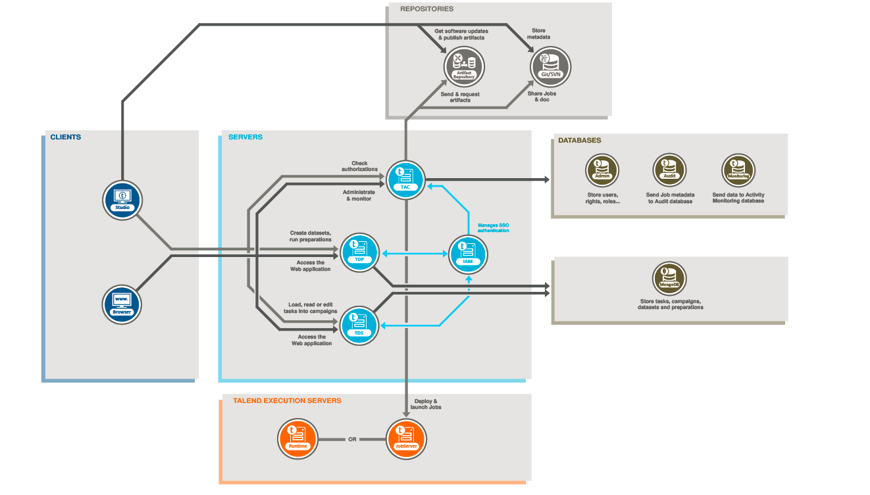

https://help.talend.com/r/en-US/7.3/studio-getting-started-guide-data-integration/functional-architecture

